Dashboard
SALES DASHBOARD FOR WEST AFRICA 2022
Figures are in Millions of USD
SALES BY COUNTRY 2022

Nigeria | 953.3
Ghana | 432.4
Liberia | 553.2
Gambia | 445.1
Kenya | 425.1
Uganda | 253.6
Cameroun | 387.5

SALES
 | 89%
 | 11%
PROFIT
 | 87%
 | 13%
# OF CUSTOMERS
 | 87%
 | 13%

$2,600
$890
87.0

2021 - 2022 SALES TRENDS IN MILLIONS
CUSTOMERS SATISFACTION
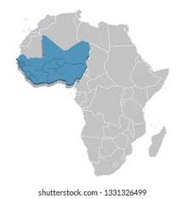
 | Score
Speed (54%) | 54%
Quality (86%) | 86%
Hygene (93%) | 93%
Service (53%) | 53%
Availability (95%) | 95%

 | 2021 | 2022
Jan | 201.9 | 215.3
Feb | 204.2 | 217.6
Mar | 198.6 | 220.1
Apr | 199.2 | 206.4
May | 206.4 | 204.3
Jun | 195.3 | 203
Jul | 192.4 | 201.5
Aug | 186.3 | 200.6
Sep | 194.2 | 210.6
Oct | 199 | 216.4
Nov | 205.2 | 222.3
Dec | 204.3 | 225.8

